mcdonald questions
Mc Donald Project

What is the total sales revenue for each category of menu items?

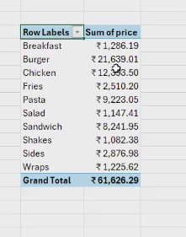
 | Row Labels | Sum it id.price
 | Breakfast | $463.14
 | Burger | $7,384.15
 | Chicken | $4,115.80
 | Fries | $845.04
 | Pasta | $3,037.39
 | Salad | $362.34
 | Sandwich | $2,664.77
 | Shakes | $385.71
 | Sides | $983.18
 | Wraps | $365.00
 | Grand Total | $20,606.52

How many orders are placed each day?

 |  | orders |  |  |  | orders |  | Jan
 | Jan | 1845 |  |  |  | 5370 |  | Grand Total
 | Grand Total | 1845

Which menu item is the most frequently ordered?

 | Row Labels | dishes prepared
 | Side Salad | 235
 | Grand Total | 235

What is the total revenue generated by menu items?

 | dishes prepared | orders | final sales
 | 4156 | 1845 | $20,606.52

How does the revenue of each category compare over months?

 | final sales | Column Labels
 | Row Labels | January | Grand Total
 | Breakfast | $463.14 | $463.14
 | Burger | $7,384.15 | $7,384.15
 | Chicken | $4,115.80 | $4,115.80
 | Fries | $845.04 | $845.04
 | Pasta | $3,037.39 | $3,037.39
 | Salad | $362.34 | $362.34
 | Sandwich | $2,664.77 | $2,664.77
 | Shakes | $385.71 | $385.71
 | Sides | $983.18 | $983.18
 | Wraps | $365.00 | $365.00
 | Grand Total | $20,606.52 | $20,606.52

What is the average number of items per order?

 |  | dishes prepared | Total orders | final sales | items per order
 |  | 4156 | 1845 | $20,606.52 | 2.25

How do order volumes vary by time of day?

 | Row Labels | dishes prepared
 | 11 | 205
 | 12 | 571
 | 13 | 512
 | 14 | 358
 | 15 | 268
 | 16 | 357
 | 17 | 426
 | 18 | 470
 | 19 | 381
 | 20 | 300
 | 21 | 203
 | 22 | 103
 | 23 | 2
 | Grand Total | 4156

How do sales trends differ across weekdays and weekends?

 | Row Labels | final sales
 | Sunday | $3,566.96
 | Monday | $3,602.99
 | Tuesday | $3,519.18
 | Wednesday | $2,169.69
 | Thursday | $2,453.07
 | Friday | $2,703.89
 | Saturday | $2,590.74
 | Grand Total | $20,606.52

 | Row Labels | final sales | Average of price | Sum of item id.price
 | weekdays | $14,448.82 | $4.94 | $14,448.82
 | weekends | $6,157.70 | $4.94 | $6,157.70
 | Grand Total | $20,606.52 | $4.94 | $20,606.52

Compare the sales of top 5 menu items.

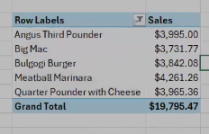
 | Row Labels | final sales |  |  |  | Angus Third Pounder | $3,907.11
 | Angus Third Pounder | $1,486.14 |  |  |  | Big Mac | $3,725.78
 | Big Mac | $1,233.94 |  |  |  | Bulgogi Burger | $3,816.12
 | Bulgogi Burger | $1,181.18 |  |  |  | Meatball Marinara | $4,225.30
 | Meatball Marinara | $1,375.47 |  |  |  | Quarter Pounder with Cheese | $3,958.57
 | Quarter Pounder with Cheese | $1,337.63
 | Grand Total | $6,614.36

mcdonal dashboard
Dishes Prepared 12,234
Final sales $61,003.78
Total orders - 5370
Items per order 2.28
Mc Donald Dashboard

Sales By Category By Month
 | January
Breakfast | $463.14
Burger | $7,384.15
Chicken | $4,115.80
Fries | $845.04
Pasta | $3,037.39
Salad | $362.34
Sandwich | $2,664.77
Shakes | $385.71
Sides | $983.18
Wraps | $365.00
How order value varies with Time
 | Total
11 | 205
12 | 571
13 | 512
14 | 358
15 | 268
16 | 357
17 | 426
18 | 470
19 | 381
20 | 300
21 | 203
22 | 103
23 | 2

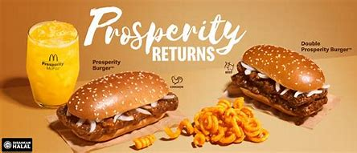
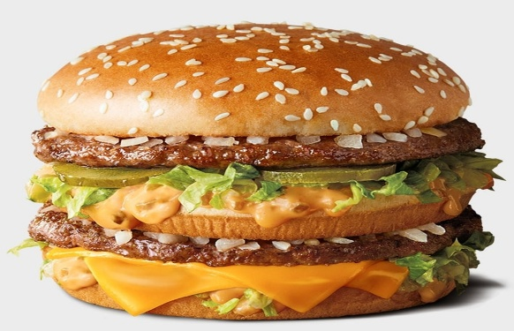

Sales Trends
 | Total
Sunday | $3,566.96
Monday | $3,602.99
Tuesday | $3,519.18
Wednesday | $2,169.69
Thursday | $2,453.07
Friday | $2,703.89
Saturday | $2,590.74
Order/Month
 | Total
Jan | 1845

